Test Cases - Funtional
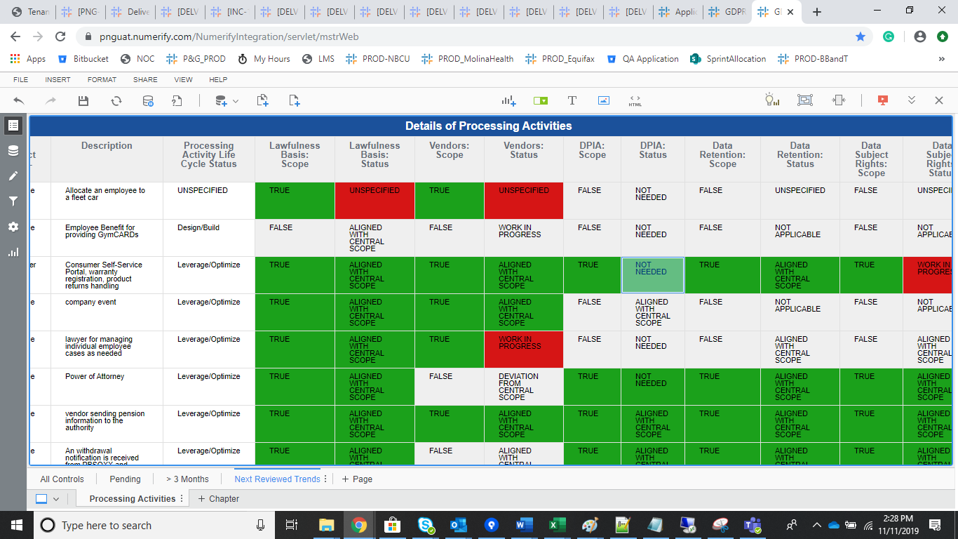
INDEX

TC_No | Test Case | Test Description | Expected Result | Actual Result | Result | Defect JIRA # | Comments
1 | DELV-20029 | P&G: In GDPR Compliance report - DPIA status | In GDPR Compliance report, in case DPIA status is set to “Not Required” then it should be color coded Green and not Red. | DPIA Status Calcualtion remaines same. | Pass

 |  | DPIA Status Calcualtion remaines same

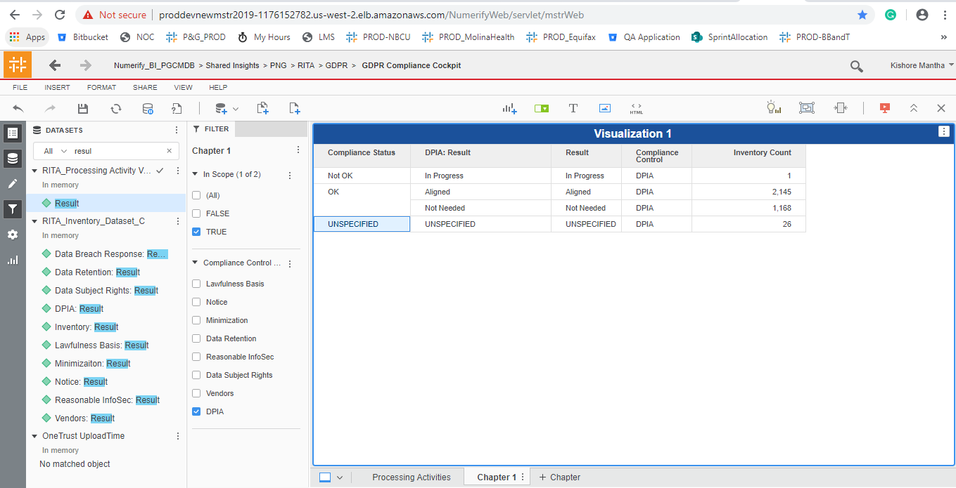

DELV-19002

 |  | All Controls |  | Pending

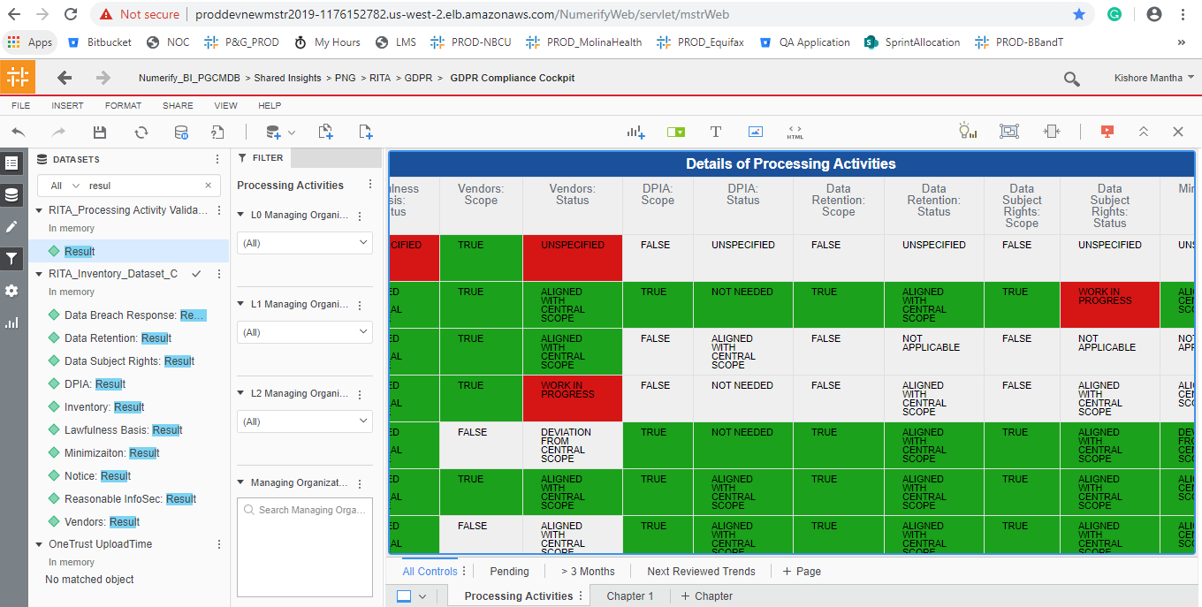
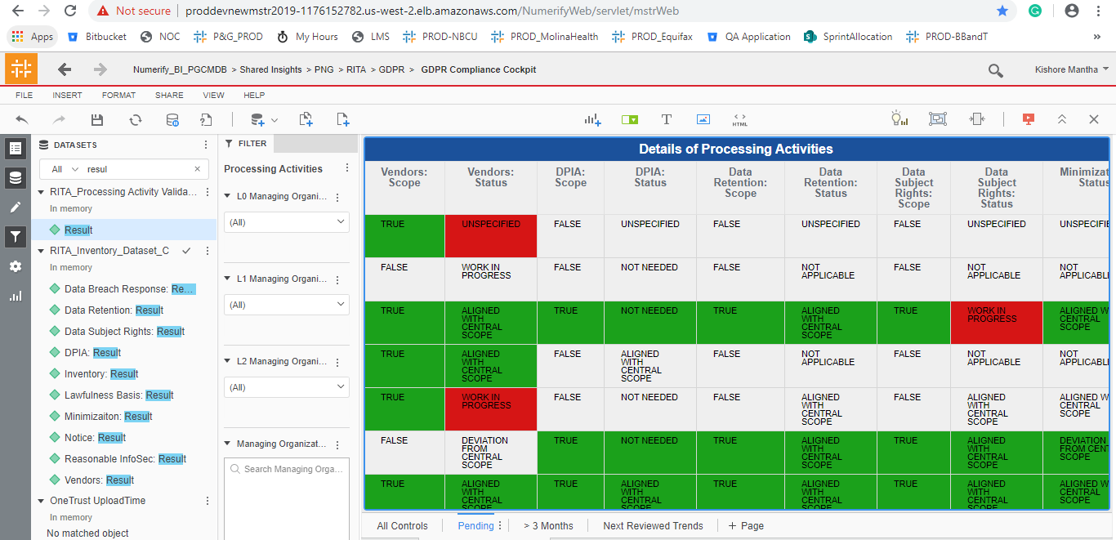

 |  | > 3 Months |  | Next Reviewed Tab

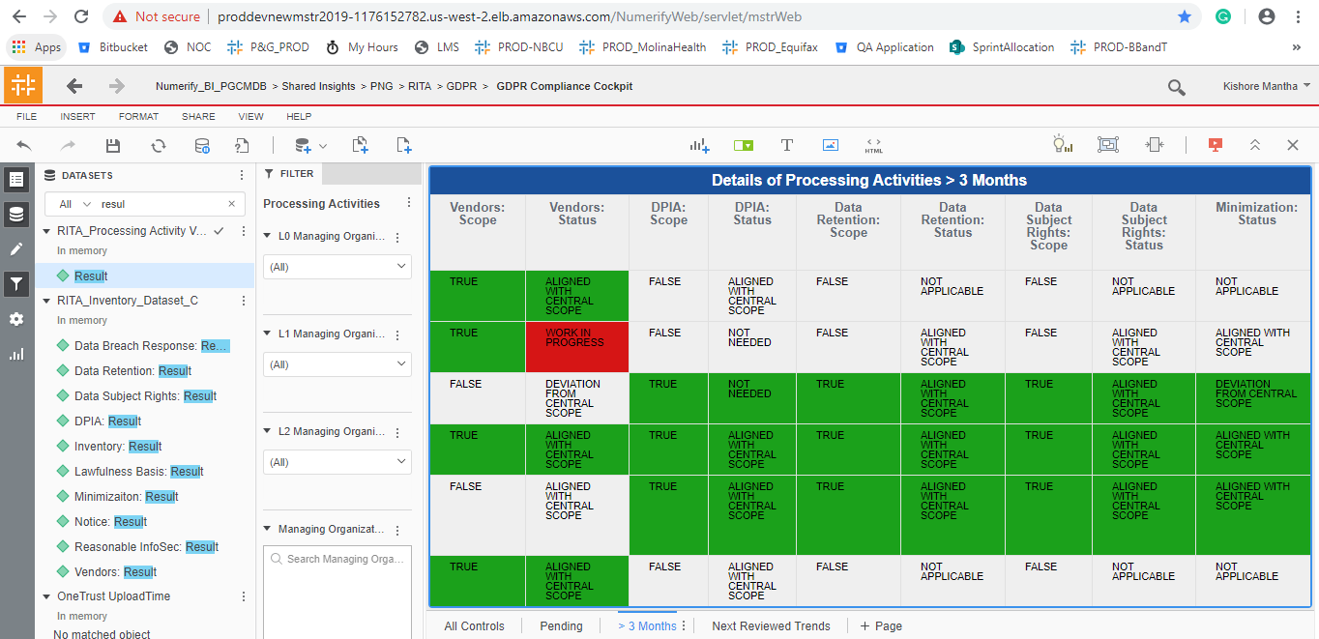
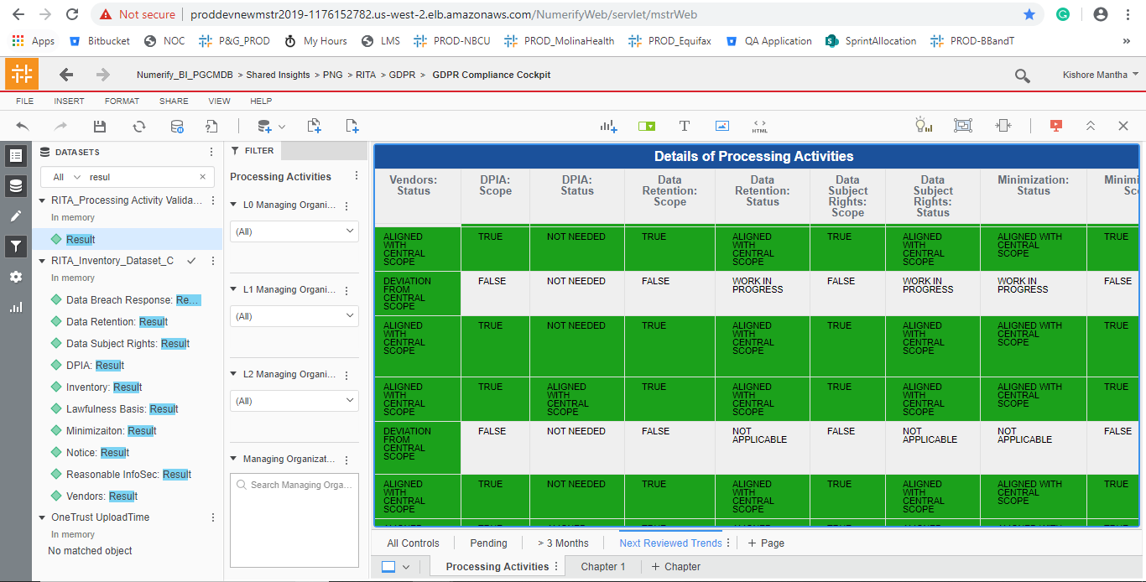

DELV-18954

 | UAT instance

